Fig.3a GROOVE - TS
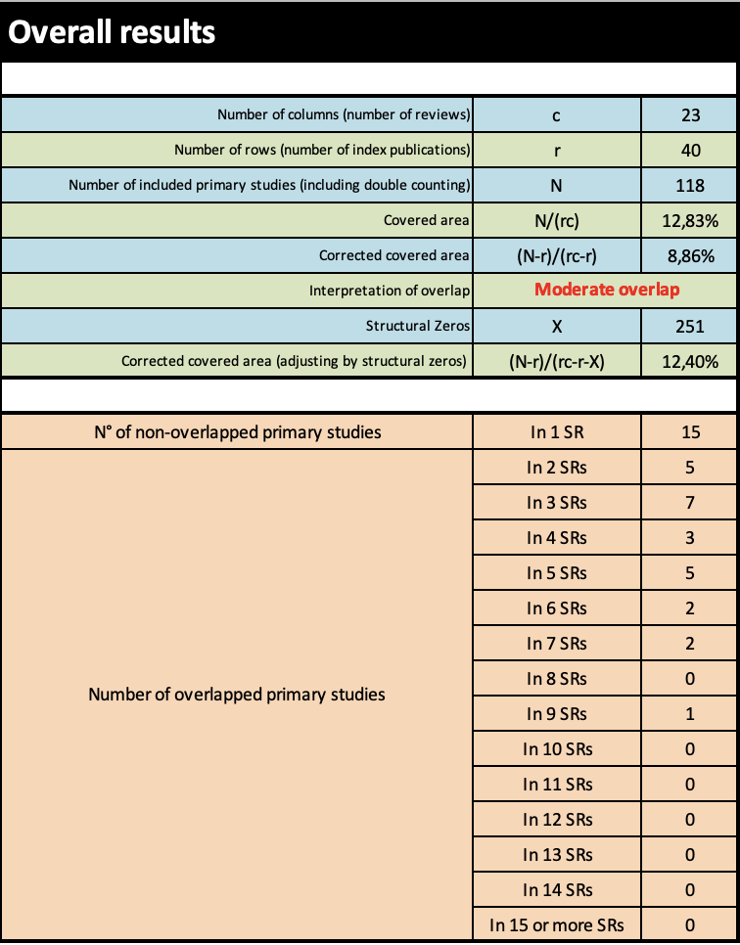
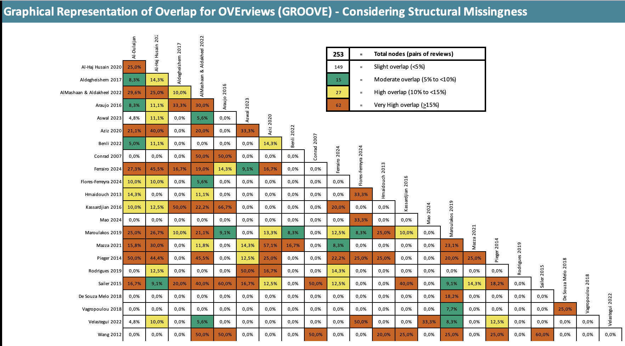

Fig.3b GROOVE - IS
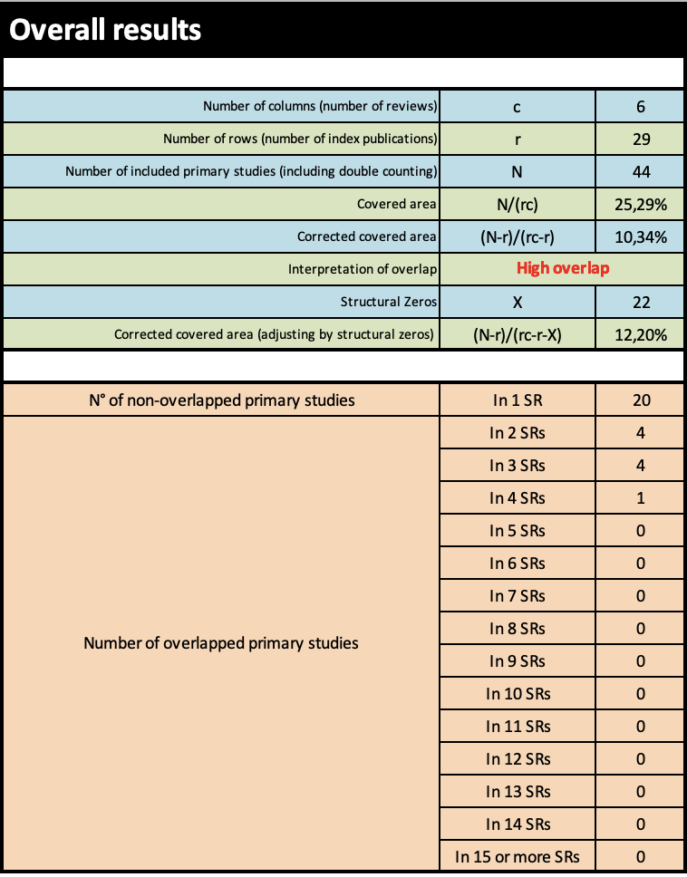
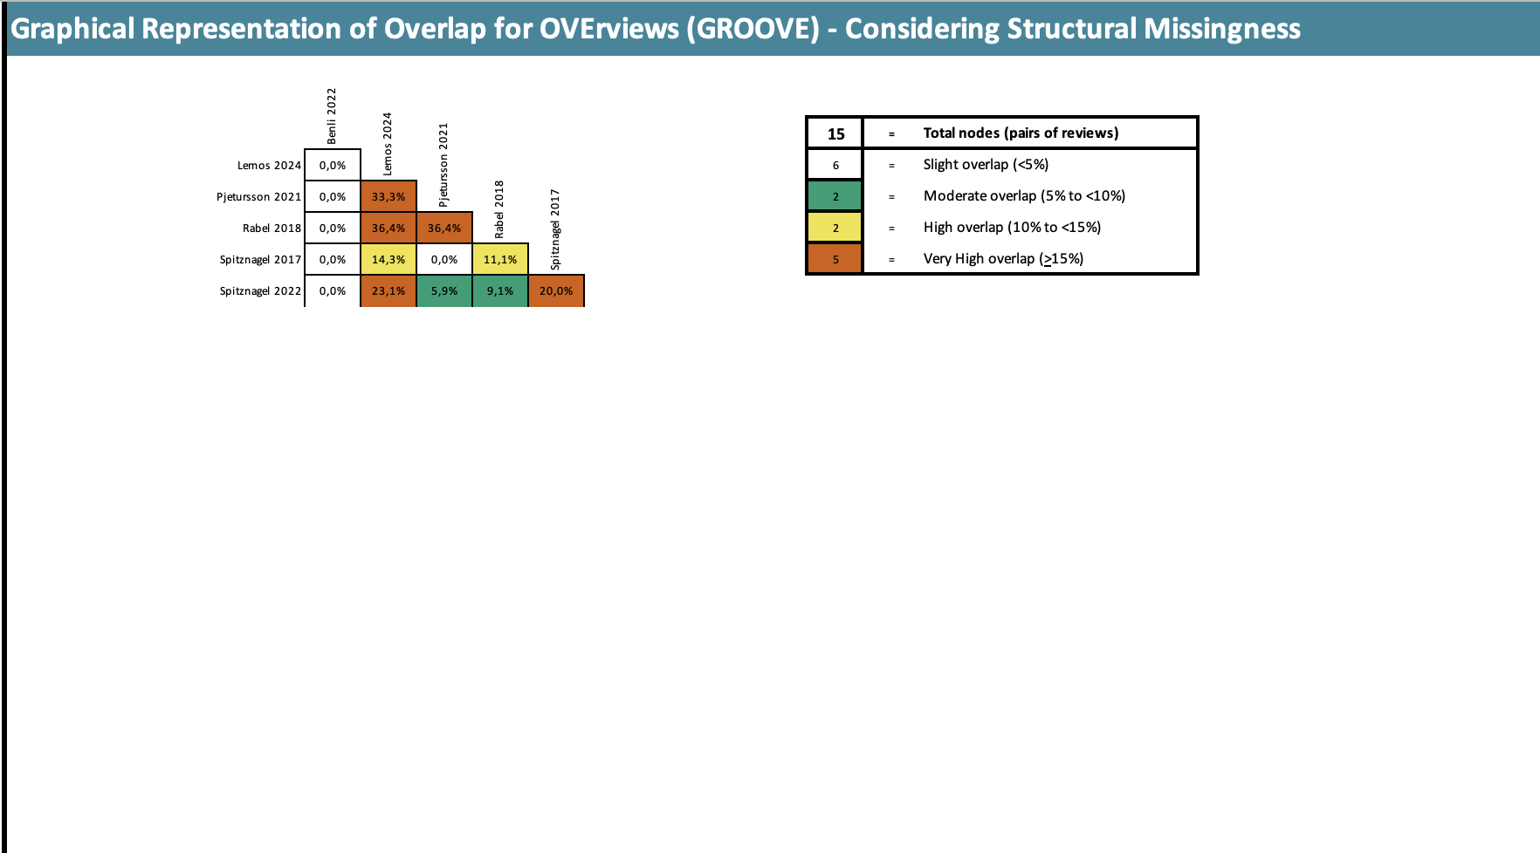

Publications per year D
Publications per year
 | Primary Studies | Systematic Reviews
2000 | 0 | 0
2001 | 0 | 0
2002 | 0 | 0
2003 | 1 | 0
2004 | 0 | 0
2005 | 0 | 0
2006 | 2 | 0
2007 | 2 | 1
2008 | 1 | 0
2009 | 1 | 0
2010 | 3 | 0
2011 | 0 | 0
2012 | 1 | 1
2013 | 3 | 1
2014 | 3 | 1
2015 | 8 | 1
2016 | 7 | 2
2017 | 6 | 2
2018 | 5 | 3
2019 | 7 | 2
2020 | 7 | 2
2021 | 5 | 2
2022 | 3 | 4
2023 | 0 | 2
2024 | 0 | 4
2025 | 0 | 0

Mean follow up D
Mean follow up
<1 | 4
1 | 7
2 | 15
3 | 14
4 | 6
5 | 5
6 | 2
7 | 2
8 | 0
9 | 1
10 | 1
11 | 1

Disclosure of conflicts D
Disclosure of conflicts
disclosure of conflicts | 63%
no disclosure of conflicts | 37%

Sources of funding D
Sources of funding
no disclosure of funding | 47%
industry sponsor | 34%
public sponsor | 11%
no financial support | 8%

